Sheet1
 | Software assy plan dan SPP direct ke odering

1 | current proses : | 2 | plan :
summary order balanced excel
stock
1. assyplan
2. SPP excel
5. Master part
8. Production Calendar

6. Master supplier
9. Data receiving excel
3a. stock free
3b. stock whsc lama
3b. stock PLB
import ke IC part calculation
7. Summary order balance

Input planning Excel
Calculation Order
excel
PO
4. Time chart
9a. Data usage per day, 9b. week & 9c. month Excel

- planning
- calculation usage
- calculation order
- master part list
12. PO
10a. Stock disposisi per shift & 10b per day Excel
start
data OES excel
start
assyplan SPP excel
master part list
excel
summary order balanced excel
stock

11. master part list
excel

12. qty PO

Convert to TXT format
impor GEDI
Tarik data dari GEDI to AS400
Calculation Order
PO

13a. OES stock txt
13b. OES receiving txt
13c. OES summary order txt
13d. OES assy plan txt
13e. OES SPP txt
14. impor GEDI
15. Tarik data dari GEDI to AS400
16. Calculation Order
17. PO

1. Master Part List
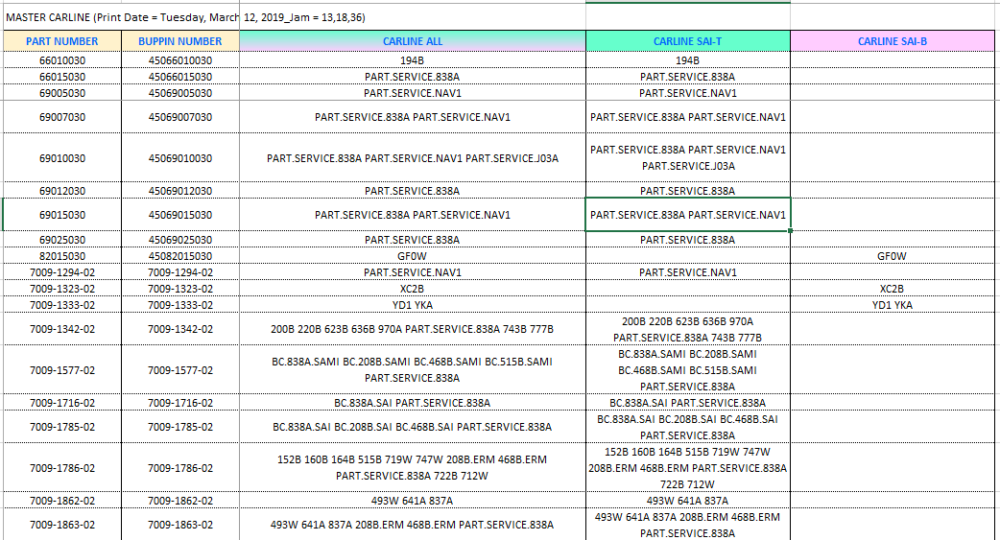
1 | Target :
 | - Menghilangkan aktivitas maintain data Master Part List Excel IC

2 | File Output :
 | a. MPL
 | b. Master Carline

3 | File Input
 | a. Data EPL
 | b. Master Part

4 | Flow Process
START
Import data EPL
Generate (mungkin)
END

Master Carline
MPL

5 | Print Screen Source File
 | o. EPL
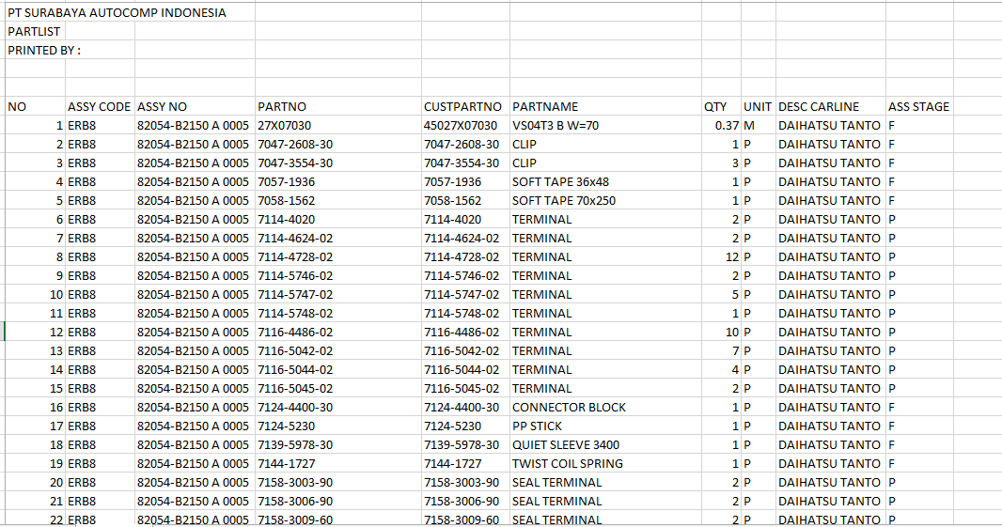

Master Part : Code Barang

Important Point : Ada notifikasi jika ada new part di DATA EPL ada tetapi Master Part tidak ada.

 | o. Master Part
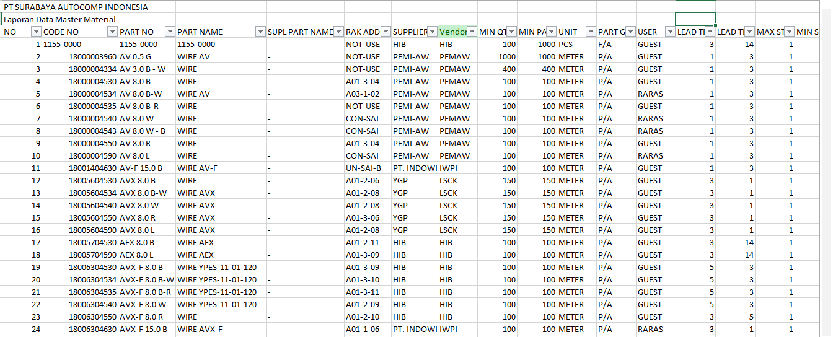

6 | Requested Menu
 | - Import EPL (Option SAI T / SAI B)
 | - Show & Download Master Part List
 | - Show / Download Master Carline
 | - Show / Download Part A dipakai di Assy mana saja

Format can be discussed
7 | Print Screen Output File
 | o. Master Part List

 | o. Master Carline

2. Planning
1 | Target :
 | - Menghilangkan pembuatan planning excel, pembuatan SPP OES Format, Assy Plan OES Format

2 | File Output :
 | a. OES assy plan txt
 | b. OES SPP txt

3 | File Input
 | a. SPP Excel
 | b. Assy Plan Excel
 | c. Production Calendar

Import Production Calendar SPP
4 | Flow Process
START
Import assy plan
Import SPP
Generate
END

OES SPP txt

OES Assy Plan txt
5 | Print Screen Source File
 | o. Assy Plan

Tanggal Loading

QTY SHIFT I
QTY PER WEEK

Assy Number
QTY SHIFT II

Assy Airbag

 | o. SPP
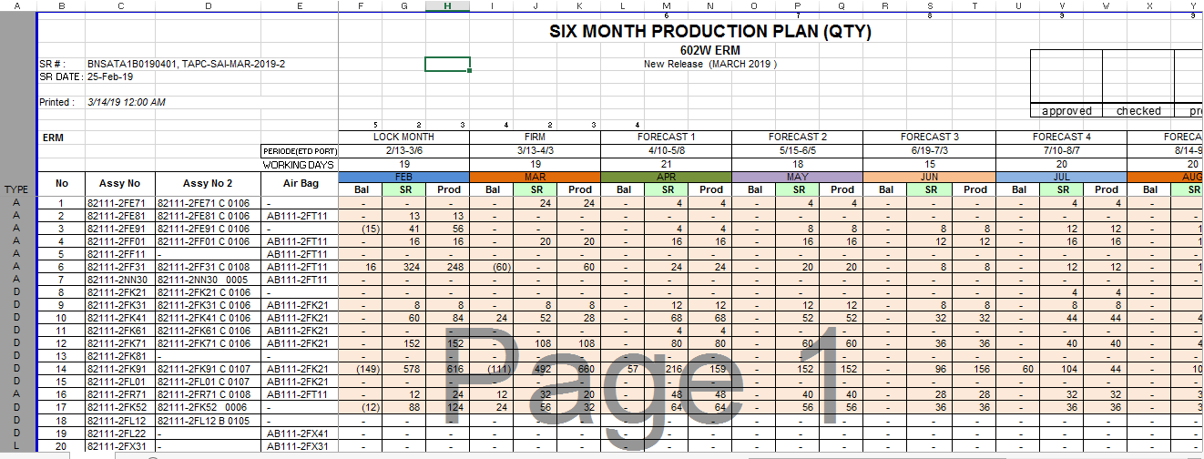

Assy No
MONTH

Assy AIRBAG

SPP QTY (column Prod)

 | o. Production Calendar SPP
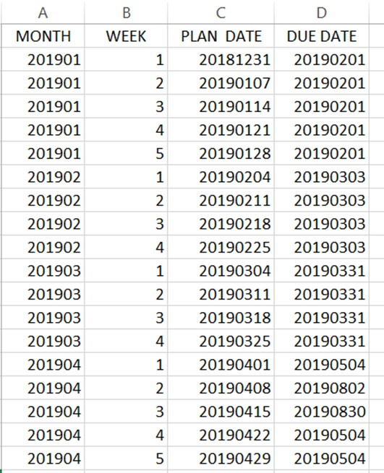

Januari

qty per week =
ceiling up (qty dibagi total week

February

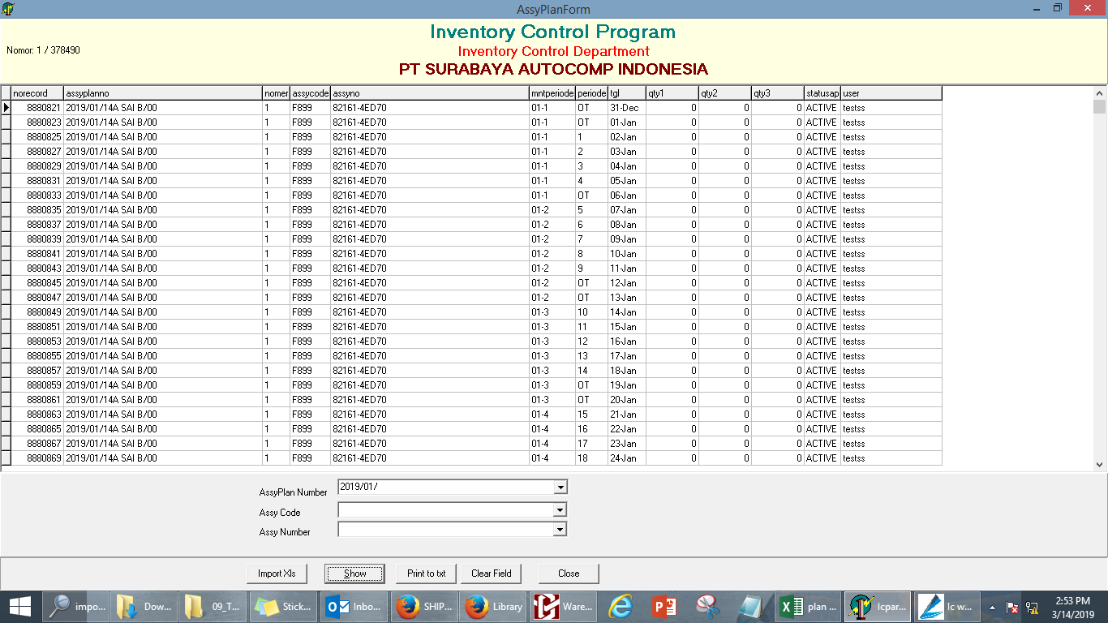

April

Plan QTY : diambil dari Kolom Prod pada SPP sesuai dengan bulan.
Perhitungan assy :
= ceiling (QTY / jumlah week)
6 | Requested Menu
 | - Import Assy Plan
 | - Import SPP
 | - Import Production Calendar
Plan date :
diambil dari Production Calendar Kolom C.
Sesuai dengan bulannya
 | - Print to txt (OES SPP)
DUE DATE :
diambil dari Production Calendar Kolom D sesuai plan date.
 | - Print to txt (OES Assy Plan)
 | - Show Assy Plan (Periodik)
 | - Show SPP (Periodik)

CURRENT SOURCE
Important Point :
- Tidak boleh ada baris berulang.
Product No : dari SPP kolom C
diisi 000
diisi 00
7 | Print Screen Output File
 | - Print to txt (OES SPP)
 | File name : SPP upload YYMMDD
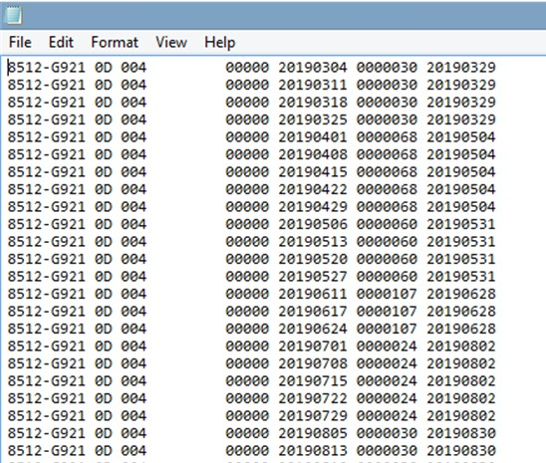

KOLOM A
KOLOM
B & C
KOLOM
D
KOLOM
E
KOLOM
F

Please see Sheet 3 pada Txt assy plan 190304 untuk melihat konversi menjadi txt file.
PLAN QTY :
diambil dari Assy Plan. QTY total. Shift A dan Shift B

MAE DUE DATE :
diambil dari tanggal loading Assy Plan. Format YYYYMMDDD
MAE LINE :
1 : ASSY SAI T
2 : ASSY SAI B
ATO GROUP :
diisi F0
ATO LINE :
1 : ASSY SAI T
2 : ASSY SAI B
Important Point :
- Tidak boleh ada baris berulang.
MAKER SFX :
diisi 000
MAKER SFX :
diisi 00
MAE ISSUE PLACE :
P030A : SAI T
P040A : SAI B
MAE ISSUE PLACE :
F0103 : SAI T
F0104 : SAI B
Year Month:
Bulan Assy Plan
PRODUCT NO :
diambil dari file Assy Plan
CURRENT
SOURCE
 | - Print to txt (OES Assy Plan)
 | File name : ASSY_PLAN_YYYYMMDD
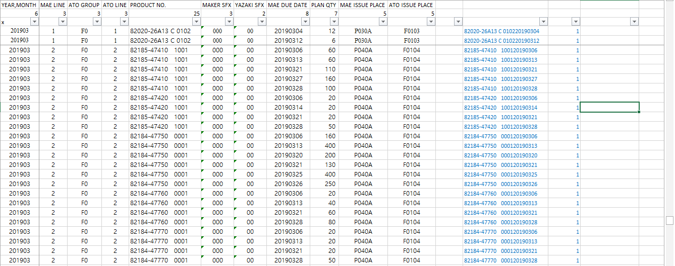

Please see Sheet pada file (txt assy plan.xls) untuk melihat konversi menjadi txt file.

3. Calculation Usage
1 | Target :
 | - Menghilangkan proses perhitungan usage (excel) dan pembuatan disposisi (Excel)

2 | File Output :
 | a. Data usage per day
 | b. Data usage per week
 | c. Data usage per month
 | d. Disposisi per day
 | e. Disposisi per assy per shift
 | f. OES stock txt
 | g. OES receiving txt
 | h. OES summary order txt

3 | File Input
 | a. SPP Excel (sudah di planning)
 | b. Assy Plan Excel (sudah di planning)
 | c. Part list (sudah masuk di Master Part List)
 | d. Master Supplier, Order No dan Invoice
 | e. File Stock
 | f. Data Receiving Order
 | g. Master Part (sudah di Master Part List)

Import Supplier Order No & Invoice
START
Import Stock
Import Receiving
END
Generate Planning #1
Generate MPL #2
Calculate
Data usage per Day
Data usage per Month
Data usage per Week
4 | Flow Process

SDP Per DAY Calculation
SDP Per day per SHIFT calculation

SDP per DAY
SDP Per day per SHIFT
OES stock txt

OES receiving txt
6 | Requested Menu
 | - Import Stock
 | - Import Receiving
 | - Import Supplier Order No & Invoice
 | - Show & Download Usage per Day, (can filter based on : part no & / supplier)
 | - Show & Download Usage per Week (can filter based on : part no & / supplier)
 | - Show & Download Usage per Month (can filter based on : part no & / supplier)
 | - Show & Download SDP Per Day (can filter based on : part no & / supplier)
 | - Show & Download SDP Per Day per shift (can filter based on : part no & / supplier)
 | - Donwload OES Stock txt
 | - Donwload OES Receiving txt

4. Calculation Order
1 | Target :
 | - Menghilangkan proses kalkulasi order (Excel)

2 | File Output :
 | a. Output PO qty

3 | File Input
 | a. SPP Excel (sudah di planning)
 | b. Assy Plan Excel (sudah di planning)
 | c. Part list (sudah masuk di Master Part List)
 | d. Master Supplier, Order No dan Invoice (sudah ada di Calculation Usage)
 | e. File Stock (sudah ada di Calculation Usage)
 | f. Data Receiving Order (sudah ada di Calculation Usage)
 | g. Master Part (Important point : vendor) (sudah di Master Part List)
 | h. Time Chart
 | i. Data Balance Order

4 | Flow Process

START
Data Balance Order
Import TimeChart
END
After Calculation Usage #3.
Calculation Order
QTY PO

OES balance order txt

6 | Requested Menu
 | - Import Timechart (File per Vendor)
 | - Import Data Balance Order
 | - Show & Download PO QTY (can be filtered based on : Vendor)
 | - Donwload OES Balace Order txt

